Estimated_Foot_T
Foot Traffic by Month
month | foot_traffic
Jan | 230
Feb | 315
Mar | 435
Apr | 487
May | 427
Jun | 315
Jul | 262
Aug | 331
Sep | 470
Oct | 561
Nov | 524
Dec | 398

MyModel
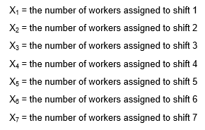

 | Days On = 1, Days Off = 0 |  |  |  |  |  |  |  |  |  |  |  | Workers Scheduled | Wages per Worker
Agency | 1 | 2 | 3 | 4 | 5 | 6 | 7 | 8 | 9 | 10 | 11 | 12
The Gobstopper Grove | 0 | 0 | 1 | 1 | 1 | 0 | 0 | 0 | 0 | 0 | 0 | 0 | 96 | $25,236
Nifty Nougats | 0 | 1 | 1 | 1 | 0 | 0 | 0 | 0 | 0 | 0 | 0 | 0 | 60 | $22,668
Snap & Crackle Sweets | 1 | 1 | 1 | 0 | 0 | 0 | 0 | 0 | 0 | 0 | 0 | 0 | 0 | $26,313
Bubble Burst Bonbons | 0 | 0 | 0 | 0 | 0 | 0 | 0 | 0 | 1 | 1 | 1 | 0 | 230 | $30,219
Taffy & Tales | 1 | 1 | 0 | 0 | 0 | 0 | 0 | 0 | 0 | 0 | 0 | 1 | 67 | $26,808
The Sassy Taffy | 0 | 0 | 0 | 0 | 0 | 1 | 1 | 1 | 0 | 0 | 0 | 0 | 0 | $32,865
Full-Time | 1 | 1 | 1 | 1 | 1 | 1 | 1 | 1 | 1 | 1 | 1 | 1 | 331 | $89,652
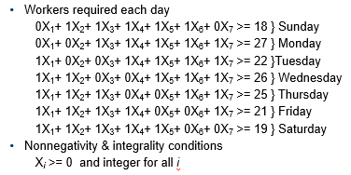
Available | 398 | 458 | 487 | 487 | 427 | 331 | 331 | 331 | 561 | 561 | 561 | 398
Required | 230 | 315 | 435 | 487 | 427 | 315 | 262 | 331 | 470 | 561 | 524 | 398 | Total -> | $42,204,047

Foot Traffic by Month
 | foot_traffic
Jan | 230
Feb | 315
Mar | 435
Apr | 487
May | 427
Jun | 315
Jul | 262
Aug | 331
Sep | 470
Oct | 561
Nov | 524
Dec | 398

